OKŁADKA
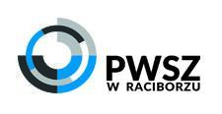

PROGRAM STUDIÓW DLA KIERUNKU: PEDAGOGIKA

POZIOM KSZTAŁCENIA - STUDIA PIERWSZEGO STOPNIA

PROFIL KSZTAŁCENIA: PRAKTYCZNY

STUDIA 2018 DO 2021

